Sheet1
Packing List
SBL goods for pick-up. SELLBUY
No. | Tender No. | PI# | Amount $ | Balance to be paid $ | Items | Items q'ty | Package type | Package q'ty | Length m | Width m | Height m | Volume m3 | Net weight kg | Gross weight kg | Order status | Address for pick-up | Photos
4 | T13028 / SBL000841 | 2022BI-0616-03 FCA YANCHENG |  | Done | Ventilation pipe | 3140 m | Woven bags | 63 | 0.85 | 0.63 | 0.18 | 6.07257 | 3440 | 3460 | Ready for pick-up | Yongxing Center Street, Donggou Town, Funing County, Jiangsu Province
5 | T12981/ SBL000779 | 2022BI-0515-01 FCA MAOMING |  | Done | Heating element | 342 pcs | Cartons | 11 | 0.55 | 0.35 | 0.3 | 0.46 | 240 | 252 | Ready for pick-up | Mojiao Community, Highland Street, Dianbai District, Maoming city, Guangdong Province
6 | T13025 / SBL000606 | 2022BI-0526-01 FCA CANGZHOU |  | Done | Helical Tensioning Device | 4 pcs | Nude | 4 | 1.3 | 0.5 | 1.16 | 3.016 | 800 | 800 | Ready for pick-up | Wuli Kiln, Yanthan County, Cangzhou, Hebei province
7 | T12643 / SBL000548 | 2022BI-0517-01 FCA XINXIANG/ TAIZHOU/OTHER CITY |  | Done | Hand chain hoist, Connecting link, SLING | 71 pcs | Pallet | 1 | 0.8 | 0.7 | 0.5 | 0.28 | 190 | 200 | Ready for pick-up | Dongyao Village, Dongyu Township, Qingyuan County, Baoding City | 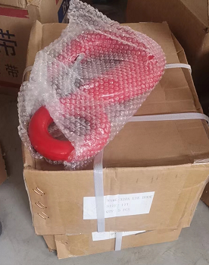 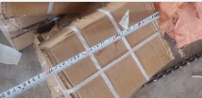
 |  |  |  |  | Hook | 20 pcs | Cartons | 6 | 0.4 | 0.27 | 0.2 | 0.1296 | 115 | 120 | Ready for pick-up | Shijiazhuang city, Hebei province
8 | T12238 / SBL000254 | 2022BI-0221-03 FCA JINING |  | Waiting payment | Paddle | 16 pcs | Pallet | 1 | 0.8 | 0.4 | 0.45 | 0.144 | 115 | 120 | Ready for pick-up | No. 80, Xianying neighborhood committee of Xianying Street Office, Rencheng District, Jining City | 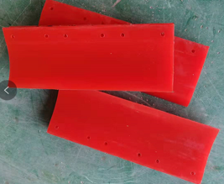
9 | T12054 /SBL000393 | 2022BI-0402-02 FCA YIWU/ ZHONGSHAN / JINING /CHANGZHOU |  | Waiting payment | Bulb | 1036 pcs | Cartons | 99 | 0.58 | 0.38 | 0.28 | 3.84 | 300 | 338 | Ready for pick-up | Zhaocun, Yongchang Street, Yongchang Street, Lanxi City, Zhejiang province | 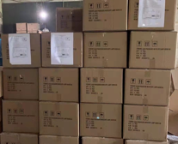
 |  |  |  |  | Lightbulb | 7408 pcs | Cartons | 74 | 0.56 | 0.27 | 0.25 | 2.5 | 240 | 259 | Ready for pick-up | Chenlou Village, Li Ge Town, Yutai County, Jining city, Shandong province
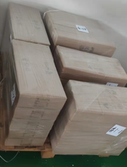
 |  |  |  |  | Lamp 4751 pcs | 1565 pcs | Cartons | 52 | 0.63 | 0.23 | 0.2 | 1.50696 | 160 | 177 | Ready for pick-up | Houzhai street, Yiwu city
 |  |  |  |  |  | 620 pcs | Cartons | 21 | 1.24 | 0.21 | 0.17 | 0.929628 | 112 | 126 | Ready for pick-up
 |  |  |  |  |  | 2566 pcs | Cartons | 26 | 0.62 | 0.32 | 0.23 | 1.186432 | 148 | 154 | Ready for pick-up
 |  |  |  |  | Lamp | 100 pcs | Cartons | 20 | 0.56 | 0.26 | 0.45 | 1.3104 | 290 | 300 | Ready for pick-up | Ancient Town, Zhongshan City
 |  |  |  |  | Lamp | 30 pcs | Cartons | 3 | 0.72 | 0.36 | 0.36 | 0.279936 | 20 | 21 | Ready for pick-up | Xuzhou
10 | T12788 / SBL000658 | 2022BI-0610-03 FCA HANDAN |  | Waiting Balance payment | Spike Fishplate | 8tons + 600pcs | ton bags+ pallet | 6 | 1.1 | 1 | 1 | 6.6 | 8800 | 8850 | Ready for pick-up | East Luoyang village, Linmingguan Town, Yongnian District, Handan City
 |  |  |  |  | Tie plate | 1.22tons+ 400pcs | Pallet | 1 | 1.2 | 1.1 | 1 | 1.32 | 1820 | 1850 | Ready for pick-up | No.19, Harmony Street, Economic Development Zone, Handan city

11 | T13270/ SBL000772/ SBL00000914 | 2022BI-0603-02 FCA BEIJING |  | Done | Switch board | 13 pcs | Cartons | 3 | 0.5 | 0.5 | 0.4 | 0.3 | 46 | 48 | Ready for pick-up | Haidian district, Beijing city | 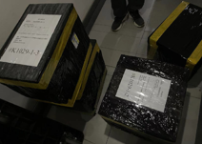
12 | T13344 / SBL001068 | 2022BI-0617-04 FCA HANGZHOU |  | Done | Clem Relay, | 235 pcs | Cartons | 1 | 0.4 | 0.21 | 0.3 | 0.0252 | 11 | 12 | Ready for pick-up | Yuhang district, Hangzhou city
 |  |  |  |  | Module | 5 pcs | carton | 1 | 0.21 | 0.11 | 0.14 | 0.003234 | 1 | 1 | Ready for pick-up
13 | T13460/ SBL001108 | 2022BI-0627-03 FCA HANGZHOU |  | Waiting payment | Module | 12 pcs | carton | 1 | 0.25 | 0.2 | 0.2 | 0.01 | 1 | 1 | Ready for pick-up | Yuhang district, Hangzhou city
 |  |  |  |  | Module | 12 pcs | carton | 1 | 0.54 | 0.4 | 0.3 | 0.05 | 16.5 | 17 | Ready for pick-up
 | Total |  |  |  |  |  |  |  |  |  |  | 29.96396 |  | 17106

 | SBL000841, SBL000779, SBL000606, SBL000548, SBL000548, SBL000254, SBL000393, SBL000658, SBL000772, SBL001068, SBL001108

